Instructions and Help
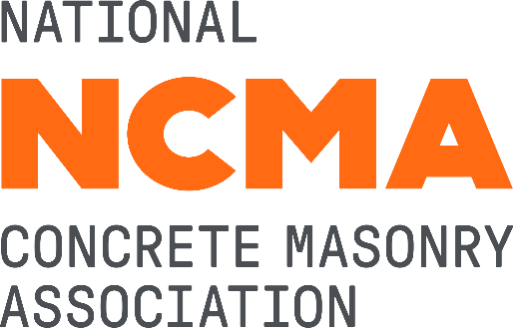
NCMA Unit Strength Method Calculator
This spreadsheet provides calculations of specified compressive strength of masonry (f'_{m}) or required compressive strength of CMU to satisfy a specific f'_{m}.
1. Orange cells are for user input
2. Green cell is the output of "f'_{m}" or the "required unit strength" depending on user input. This cell cannot be modified by the user.
3. Blue highlighted cells are optional input for CMU and/or project details.
4. For a more detailed instruction, double-click the link below to be directed to a PDF (will open in Adobe Acrobat)
5. To prevent inadvertent changing of the spreadsheet's functions, many of the cells are locked from editing.If you feel the need or
desire to edit or alter the calculations in this sheet, the protection password is as follows:
bloxrox
Disclaimer: NCMA and the companies disseminating this technical information disclaim any and all responsibility and liability for the accuracy and the application of the information contained in this publication.
Version 1.1, Revised 4/8/2019

